Cover page (6bd
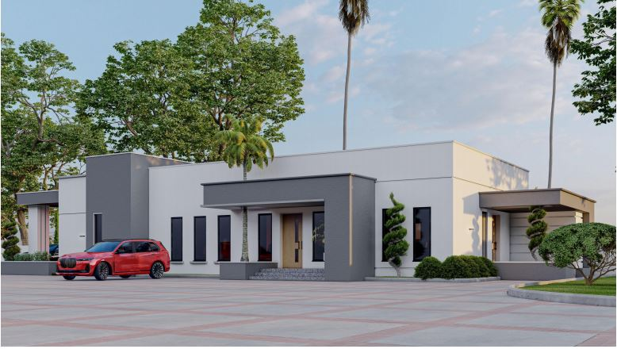
MAIN BUILDING (6 BEDROOM FULLY DETATCHED )

